Data
Start Time | Stop Time | Number of alarms | Alarms/min | % | Number of alarms | 277 |  | Max alarm rate | 22 | / 10min
06/09/2023 12:00 | 06/09/2023 12:10 | 3 | 0.30 | 1.08% | Average alarm rate during steady state | 0.63 | / 10min
06/09/2023 12:10 | 06/09/2023 12:20 | 7 | 0.70 | 2.53%
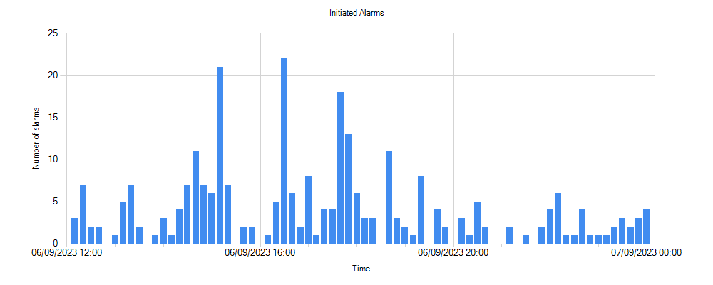
06/09/2023 12:20 | 06/09/2023 12:30 | 2 | 0.20 | 0.72%
06/09/2023 12:30 | 06/09/2023 12:40 | 2 | 0.20 | 0.72%
06/09/2023 12:40 | 06/09/2023 12:50 | 0 | 0.00 | 0.00%
06/09/2023 12:50 | 06/09/2023 13:00 | 1 | 0.10 | 0.36%
06/09/2023 13:00 | 06/09/2023 13:10 | 5 | 0.50 | 1.81%
06/09/2023 13:10 | 06/09/2023 13:20 | 7 | 0.70 | 2.53%
06/09/2023 13:20 | 06/09/2023 13:30 | 2 | 0.20 | 0.72%
06/09/2023 13:30 | 06/09/2023 13:40 | 0 | 0.00 | 0.00%
06/09/2023 13:40 | 06/09/2023 13:50 | 1 | 0.10 | 0.36%
06/09/2023 13:50 | 06/09/2023 14:00 | 3 | 0.30 | 1.08%
06/09/2023 14:00 | 06/09/2023 14:10 | 1 | 0.10 | 0.36%
06/09/2023 14:10 | 06/09/2023 14:20 | 4 | 0.40 | 1.44%
06/09/2023 14:20 | 06/09/2023 14:30 | 7 | 0.70 | 2.53%
06/09/2023 14:30 | 06/09/2023 14:40 | 11 | 1.10 | 3.97%
06/09/2023 14:40 | 06/09/2023 14:50 | 7 | 0.70 | 2.53%
06/09/2023 14:50 | 06/09/2023 15:00 | 6 | 0.60 | 2.17%
06/09/2023 15:00 | 06/09/2023 15:10 | 21 | 2.10 | 7.58%
06/09/2023 15:10 | 06/09/2023 15:20 | 7 | 0.70 | 2.53%
06/09/2023 15:20 | 06/09/2023 15:30 | 0 | 0.00 | 0.00%
06/09/2023 15:30 | 06/09/2023 15:40 | 2 | 0.20 | 0.72%
06/09/2023 15:40 | 06/09/2023 15:50 | 2 | 0.20 | 0.72%
06/09/2023 15:50 | 06/09/2023 16:00 | 0 | 0.00 | 0.00%
06/09/2023 16:00 | 06/09/2023 16:10 | 1 | 0.10 | 0.36%
06/09/2023 16:10 | 06/09/2023 16:20 | 5 | 0.50 | 1.81%
06/09/2023 16:20 | 06/09/2023 16:30 | 22 | 2.20 | 7.94%
06/09/2023 16:30 | 06/09/2023 16:40 | 6 | 0.60 | 2.17%
06/09/2023 16:40 | 06/09/2023 16:50 | 2 | 0.20 | 0.72%
06/09/2023 16:50 | 06/09/2023 17:00 | 8 | 0.80 | 2.89%
06/09/2023 17:00 | 06/09/2023 17:10 | 1 | 0.10 | 0.36%
06/09/2023 17:10 | 06/09/2023 17:20 | 4 | 0.40 | 1.44%
06/09/2023 17:20 | 06/09/2023 17:30 | 4 | 0.40 | 1.44%
06/09/2023 17:30 | 06/09/2023 17:40 | 18 | 1.80 | 6.50%
06/09/2023 17:40 | 06/09/2023 17:50 | 13 | 1.30 | 4.69%
06/09/2023 17:50 | 06/09/2023 18:00 | 6 | 0.60 | 2.17%
06/09/2023 18:00 | 06/09/2023 18:10 | 3 | 0.30 | 1.08%
06/09/2023 18:10 | 06/09/2023 18:20 | 3 | 0.30 | 1.08%
06/09/2023 18:20 | 06/09/2023 18:30 | 0 | 0.00 | 0.00%
06/09/2023 18:30 | 06/09/2023 18:40 | 11 | 1.10 | 3.97%
06/09/2023 18:40 | 06/09/2023 18:50 | 3 | 0.30 | 1.08%
06/09/2023 18:50 | 06/09/2023 19:00 | 2 | 0.20 | 0.72%
06/09/2023 19:00 | 06/09/2023 19:10 | 1 | 0.10 | 0.36%
06/09/2023 19:10 | 06/09/2023 19:20 | 8 | 0.80 | 2.89%
06/09/2023 19:20 | 06/09/2023 19:30 | 0 | 0.00 | 0.00%
06/09/2023 19:30 | 06/09/2023 19:40 | 4 | 0.40 | 1.44%
06/09/2023 19:40 | 06/09/2023 19:50 | 2 | 0.20 | 0.72%
06/09/2023 19:50 | 06/09/2023 20:00 | 0 | 0.00 | 0.00%
06/09/2023 20:00 | 06/09/2023 20:10 | 3 | 0.30 | 1.08%
06/09/2023 20:10 | 06/09/2023 20:20 | 1 | 0.10 | 0.36%
06/09/2023 20:20 | 06/09/2023 20:30 | 5 | 0.50 | 1.81%
06/09/2023 20:30 | 06/09/2023 20:40 | 2 | 0.20 | 0.72%
06/09/2023 20:40 | 06/09/2023 20:50 | 0 | 0.00 | 0.00%
06/09/2023 20:50 | 06/09/2023 21:00 | 0 | 0.00 | 0.00%
06/09/2023 21:00 | 06/09/2023 21:10 | 2 | 0.20 | 0.72%
06/09/2023 21:10 | 06/09/2023 21:20 | 0 | 0.00 | 0.00%
06/09/2023 21:20 | 06/09/2023 21:30 | 1 | 0.10 | 0.36%
06/09/2023 21:30 | 06/09/2023 21:40 | 0 | 0.00 | 0.00%
06/09/2023 21:40 | 06/09/2023 21:50 | 2 | 0.20 | 0.72%
06/09/2023 21:50 | 06/09/2023 22:00 | 4 | 0.40 | 1.44%
06/09/2023 22:00 | 06/09/2023 22:10 | 6 | 0.60 | 2.17%
06/09/2023 22:10 | 06/09/2023 22:20 | 1 | 0.10 | 0.36%
06/09/2023 22:20 | 06/09/2023 22:30 | 1 | 0.10 | 0.36%
06/09/2023 22:30 | 06/09/2023 22:40 | 4 | 0.40 | 1.44%
06/09/2023 22:40 | 06/09/2023 22:50 | 1 | 0.10 | 0.36%
06/09/2023 22:50 | 06/09/2023 23:00 | 1 | 0.10 | 0.36%
06/09/2023 23:00 | 06/09/2023 23:10 | 1 | 0.10 | 0.36%
06/09/2023 23:10 | 06/09/2023 23:20 | 2 | 0.20 | 0.72%
06/09/2023 23:20 | 06/09/2023 23:30 | 3 | 0.30 | 1.08%
06/09/2023 23:30 | 06/09/2023 23:40 | 2 | 0.20 | 0.72%
06/09/2023 23:40 | 06/09/2023 23:50 | 3 | 0.30 | 1.08%
06/09/2023 23:50 | 07/09/2023 00:00 | 4 | 0.40 | 1.44%

